For Class
Yearly Income |  | 38000
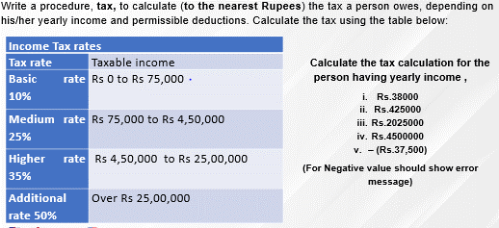
Deductions
PF |  | 0
CIT |  | 0
Insurance |  | 0

Total Deductions |  | 0

Total Taxable Income |  | 38000

Income Range |  | Tax Slab | Tax Rate | Tax Amount | Taxable amount left
0 | 75000 | 75000 | 10% | 3800 | 0
75000 | 450000 | 375000 | 25% | 0 | 0
450000 | 2500000 | 2050000 | 35% | 0 | 0
2500000 | above | #VALUE! | 50% | 0

 |  |  | Yearly Tax | 3800

 |  |  | Monthly Tax | 316.66666667

